4-Foreign Entity Ownership-5471
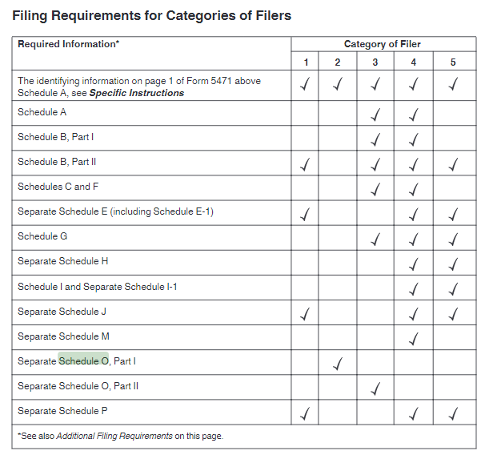
Foreign Entity Ownership - Form 5471
Foreign Corporation Ownership:
There are (5) categories of Corporation ownership per the IRS. Each category determines what additional information we will need to properly file your forms.
 | A single foreign corporation could be covered under multiple categories. For eg: if you are a 51% owner of a corporation, in that case, you will be covered under Category 1, 3, 4 & 5
 | If you have more than (1) foreign corporation, plesae use the little "downward" arrow on this tab (at the bottom) and duplicate this form so you can complete it for EACH corporation
 | If we request data (copies of forms, tax returns financial statements, etc.) these are mandatory for us to complete your returns.

NAME OF FOREIGN CORPORATION COVERED FOR THIS FORM: |  |  |  |  |  |  | TYPE YES OR NO
 |  |  |  |  |  |  | YES | NO | Details / Description | Schedules Required to be Filed (INTERNAL)
 |  |  |  |  |  |  | If any "yes" continue down this sheet below
Category 1 |  | You have ownership in an SFC (see description to the right) |  |  |  |  |  |  | An SFC is defined as either: a) CFC (Read point 5 below) OR b) A foreign Corporation in which one of the shareholders is a US Corporation & the US Corporation is holding 10% or more of the foreign corporation shares or voting rights/power
Category 2 |  | You are an officer or director in a US company, where that ***US Person*** owns 10% or more of a Foreign Corporation |  |  |  |  |  |  | ONLY a foreign Corporation; this does NOT apply to foreign partnerships
Category 3 |  | You own or control (voting rights) directly or indirectly a 10% or more stake in foreign Corporation |  |  |  |  |  |  | Indirectly means: You, your family, any partnerships, any corporation, anything that you own, etc. together holding such % of stocks or voting rights. Family includes Parents, Children and Grand Children AND includes siblings
Category 4 |  | You own or control (voting rights) directly or indirectly a 50% or more stake in foreign Corporation |  |  |  |  |  |  | Indirectly means: You, your family, any partnerships, any corporation, anything that you own, etc. together holding such % of stocks or voting rights. Family includes Parents, Children and Grand Children for category 4. Category 4 does NOT include sublings (NOTE - WE WILL NEED TO ASK YOU ADDITIONAL QUESTIONS & RUN ADDITIONAL CALCULATIONS - {PRE 1/1/17 VS POST 1/1/17})
Category 5 |  | You own or control (voting rights) directly or indirectly ANY stake in a CFC |  |  |  |  |  |  | A CFC is a foreign company which is 50% or more owned by various US shareholders (NOTE - WE WILL NEED TO ASK YOU ADDITIONAL QUESTIONS & RUN ADDITIONAL CALCULATIONS - {PRE 1/1/17 VS POST 1/1/17})

Important Notes:
 | Form 5471 Subpart F will be applicable for Category 4 & 5 Filers. These category 4/5 filers MUST report the proporpionate share of foreign Corporation income as taxable in USA even though the funds have not been declared as dividends or repatriated to the USA

If you answered "Yes" to any of the above 5 questions. Go through all the 8 parts below (these are MANDATORY)

Part A: Please provide the below information for each foreign Corporation
Fill the details below here:
 |  |  | Name of the Foreign Corporation
 |  |  | Address of the foreign Corporation
 |  |  | Date of Incorporation
 |  |  | Principal Place of business
 |  |  | Nature of business carried out by the Corporation
 |  |  | Country of Incorporation
 |  |  | What is Functional Currency of the Corporation (The currency in which the books are maintained)
 |  |  | EIN in USA if any
 |  |  | If EIN is not available, please assign a Unique Reference Number (This is a number assigned by you - Not assigned by IRS)
 |  |  | Does the Corporation have a US branch office or a US agent? If Yes, Require Name, Address and SSN/EIN of those branches/agents
 |  |  | If there is a US branch share the Tax return filed by such branch office
 |  |  | Does the Corporation have a Foreign Agent. If yes, require Name and Address of such agent

Part B: If you have answered “Yes” to Question 1 or 3 or 4 or 5. Please provide the below information for each foreign Corporation you own

a) | List of direct shareholders of the foreign Corporation (If more than 5, You can either fill out Tab 6 or upload an excel file containing this info via www.taxgoddess.com/ftp)
 |  | Name | Address | SSN/EIN | Shares at Beginning of the year | Shares at end of the year | Description of class of stock held ( Equity or Preference)

Part C: If you have answered “Yes” to Question 1 or 4 or 5. Please provide the below information for each foreign Corporation you own

Upload a copy of the foreign corporate tax return filed. Submit here: |  |  |  |  |  | www.taxgoddess.com/ftp

Part D: If you have answered “Yes” to Question 3 or 4 or 5. Please provide the below information for each foreign Corporation you own
Based on your responses, we may need more information
 |  |  |  |  |  | TYPE YES OR NO
 |  |  |  |  |  | YES | NO | UNSURE | IF UNSURE: PLEASE PROVIDE DETAILS OF WHY YOU ARE "UNSURE"
Does the foreign corporation own any 10% or more interest in a Foreign Partnership?
Does the foreign corporation own any interest in any Trust?
Does the foreign corporation own any other Foreign Coporation or Branch?
During the tax year, did the foreign corporation own any foreign entities that were disregarded as separate from its owner
During the tax year, did the filer pay or accrue any base erosion payment under section 59A(d) to the foreign corporation or did4athe filer have a base erosion tax benefit under section 59A(c)(2) with respect to a base erosion payment made or accrued tothe foreign corporation (see instructions)?
Did the foreign corporation make any Interest or Royalty payments to a related party?
 | If Yes, did the related party pay taxes on such royalty or interest?
For this tax year, are you claiming a foreign-dreived intangible income deduction?
During the tax year, was the foreign corporation a participant in any cost sharing arrangement?
 | If "Yes," was the foreign corporation a participant in a cost sharing arrangement that was in effect before January 5, 2009?
From April 25, 2014, to December 31, 2017, did the foreign corporation purchase stock or securities of a shareholder of the foreign corporation for use in a triangular reorganization?
Did the foreign corporation receive any intangible property in a prior year or the current tax year for which the U.S. transferor is required to report a section 367(d) annual income inclusion for the taxable year?
During the tax year, was the foreign corporation an expatriated foreign subsidiary?
During the tax year, did the foreign corporation participate in any reportable transaction?
During the tax year, did the foreign corporation pay or accrue any foreign tax that was disqualified for credit?
During the tax year, did the foreign corporation pay or accrue foreign taxes to which section 909 applies, or treat foreign taxes that were previously suspended under section 909 as no longer suspended?

Part E: If you have answered “Yes” to Question 3 or 4. Please provide the below information for each foreign Corporation you own
List any US Shareholders holding more than 10% of stock at any time during the year, including yourself |  |  |  |  |  |  | Submit Files here:
REQUIRED: Copies of Financial Statements for last 2 years (Balance Sheet & Profit & Loss) for this Foreign Corporation. |  |  |  |  |  |  | www.taxgoddess.com/ftp
 | If the tax year of such Corporation is different from USA, please share the most recent financial statement

 |  | Name | Address | SSN/EIN | Shares at beginning of the year | Shares at end of the year | % of share in current year’s profit
Instructions: |  | Full Legal Name | Mailing Address | REQUIRED | Number of shares held at beginning of the year for each different class of shares ( Eg: Preference & Equity Shares) | Number of shares held at end of the year for each different class of shares (Eg: Preference & Equity Shares) | %
Example: |  | Bob Smith | 123 ABC St, Phoenix, Az 85250 | 123-45-6789 | 500 | 500 | 10%
 | 1
 | 2
 | 3
 | 4
 | 5
 | 6
 | 7
 | 8
 | 9
 | 10

Part F: If you have answered “Yes” to Question 2. Please provide the below information for each foreign Corporation you are a director/officer
 |  |  |  |  |  | Yes/No?
Was there any change in the ownership of the corporation during the tax year?
If yes, Please fill the below table
 |  | Name of the Shareholder | Address of the Shareholder | Shareholder Identification Number | Date of Original Acquisition of shares | Date of Additional Acquisition of shares

Part G: If you have answered “Yes” to Question 3. Please provide the below information for each foreign Corporation you own

 | Fill & Submit the Schedule O (Submit via www.taxgoddess.com/ftp)
 |  | Download the Schedule O at this link: https://www.irs.gov/pub/irs-pdf/f5471so.pdf
 |  | Submit here: | www.taxgoddess.com/ftp

Part H: If you have answered “Yes” to Question 4. Please provide the below information for each foreign Corporation you own

 | Fill & Submit the Schedule M (Submit via www.taxgoddess.com/ftp)
 |  | Download the Schedule M at this link: https://www.irs.gov/pub/irs-pdf/f5471sm.pdf
 |  | Note: Enter everything in Foreign Currency. We will make the conversions based on applicable rates.
 |  | Submit here: | www.taxgoddess.com/ftp

Additional Information: FYI / Notes / Comments
Per the IRS instructions, depending on which category you fall under, our team will need to prepare additional schedules as seen below.
We bring this to your attention so that you understand the amount of data required to be collected, as well as understand that we may have
additional questions for you to ensure complete and proper filing.

